Hiearchy View
CLASS: HEATING COIL
heating element attached to the heating unit itself. The heater generates the electric current which flows into the coil. The heating coil transfers the electric energy into heat energy. |  | 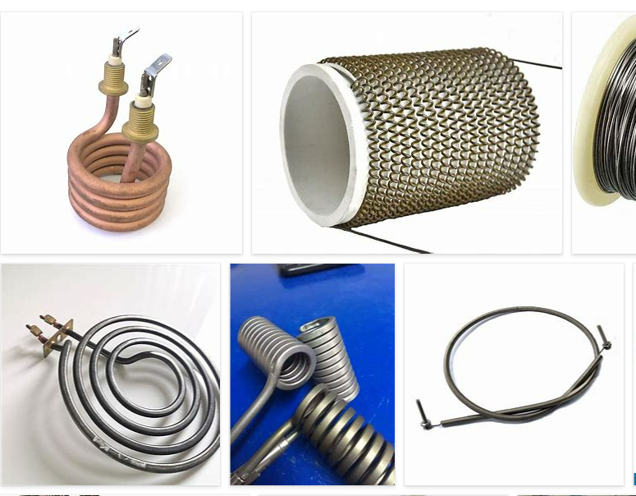
REMOVE | N

PROBLEM_DESC | CAUSE_DESC | REMEDY_DESC
BROKEN/DAMAGED
LIGHTING
OTHER PROBLEM
OVERHEATING
POWER-ELEC
SMELL
STOPPED/SLOWED/POOR OPS
TEMP-CTRL
VIBRATION
Grand Total

